Buyer
Signup (Buyer)
Create your account

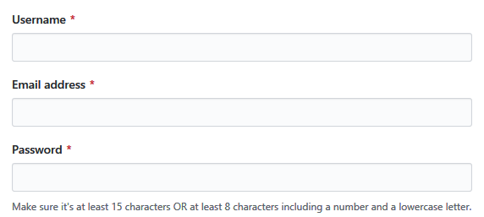

Mobile number
*

Signup

Singup as seller

Login
Username
*

Password
*

Login

Item Search Results

Logout
Buy Item
Purchase history
View Discounts

Search

Manufacturer
Any
▽
Price
8000
~
13000
Filter
Item
Price △▽
Seller
Sales volume△▽

Item Picture
Samsung
Galaxy s7
$ 123456
Seller1
121
View Details >>

Item Picture
Oppo
A5S
$ 8838
Seller2
300
View Details >>
Use scrollbar, if requried

Item Specifications

Logout
<<Back to Search Results

Item Picture
Oppo A5S
$ 8838
Seller2
Sales volume 300

Number
1
2
3
4
Checkout
Add to cart

Screen Resolution:1080p
Network Type:4G
Battery Capactity: 3000mA
Memory Storage:64G
Cameras:1000
OS Version:Android 11

Use scrollbar, if requried

<<Back to Search Results

Seller
Signup (Seller)
Create your account

Company name
*

Contact number
*

GSTIN
*

Postal address
*

Website

Brief about company

Signup

Singup as buyer

Login
Username
*

Password
*

Login

